Sheet1
ID | SMILES | Molecular Weight | original name | Mol
A001 | CS(C)=O | 78.14 |  | 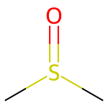
A002 | OC(CCCOC4=CC(NC(C(N2C1=C(C=CC(OC(F)(F)F)=C1)CC2)=O)C3=CC=C(Cl)C=C3)=CC(OC)=C4)=O | 578.97 | (-)-JNJ-A07 | 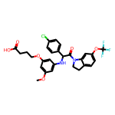
A003 | OC(CCCOC4=CC(NC(C(N2C1=C(C=CC(OC(F)(F)F)=C1)CC2)=O)C3=CC=C(Cl)C=C3)=CC(OC)=C4)=O | 578.97 | (+)-JNJ-A07
A004 | FC4=C(F)C=C(C3=C(Cl)C(CSC2=NC(CC1CCCCC1)=C(CC)C(=O)N2)=NN3)C=C4 | 479.0 | DENV-IN-5 | 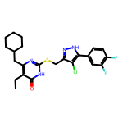
A005 | CC1=NC2=C(C(NCCCN(C)C)=C1)C=CC4=C2C=CC3=C(NCCCN(C)C)C=C(C)N=C34 | 458.65 | FGI-106 | 